ART
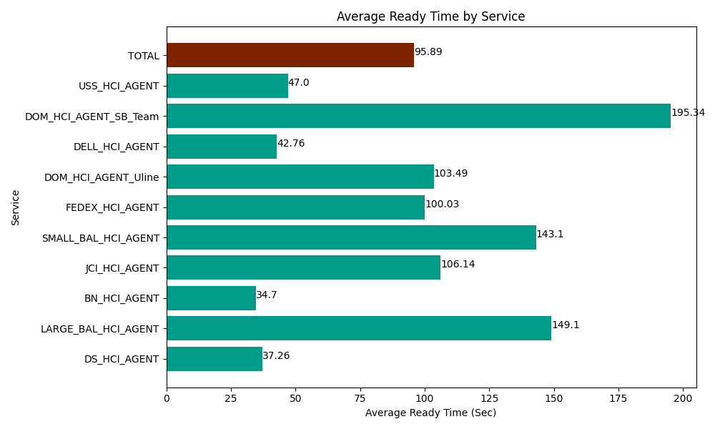
Date | Service | Successful Op Transfer | In Call (Sec) | Ready (Sec) | Wrapup (Sec) | Not Ready (Sec) | Average Ready Time (Sec)
06-17-2024 | DS_HCI_AGENT | 777 | 48940.198975 | 28951.199341 | 82629.001465 | 56389.200439 | 37.26
06-17-2024 | LARGE_BAL_HCI_AGENT | 2 | 160.80000401 | 298.19998741 | 205.20000458 | 285 | 149.1
06-17-2024 | BN_HCI_AGENT | 536 | 26461.799927 | 18601.199341 | 32244.001465 | 18949.200439 | 34.7
06-17-2024 | JCI_HCI_AGENT | 177 | 14812.800293 | 18786.000366 | 17361.000366 | 8318.9996338 | 106.14
06-17-2024 | SMALL_BAL_HCI_AGENT | 2 | 115.19999743 | 286.19999886 | 61.799998283 | 9.0000003576 | 143.1
06-17-2024 | FEDEX_HCI_AGENT | 7 | 1821.0000229 | 700.20000458 | 343.80000114 | 1024.1999817 | 100.03
06-17-2024 | DOM_HCI_AGENT_Uline | 25 | 1114.1999817 | 2587.1999359 | 1787.9999542 | 85.199997425 | 103.49
06-17-2024 | DELL_HCI_AGENT | 276 | 27987.000732 | 11801.999817 | 72691.801758 | 38964.001465 | 42.76
06-17-2024 | DOM_HCI_AGENT_SB_Team | 30 | 2285.9999084 | 5860.1998901 | 4655.9999084 | 771.00002289 | 195.34
06-17-2024 | USS_HCI_AGENT | 85 | 10451.999817 | 3994.8001099 | 14230.799561 | 4114.8001099 | 47
 | TOTAL | 1917 | 134150.99966 | 91867.198792 | 226211.40448 | 128910.60209 | 95.89

